Educational Expenses
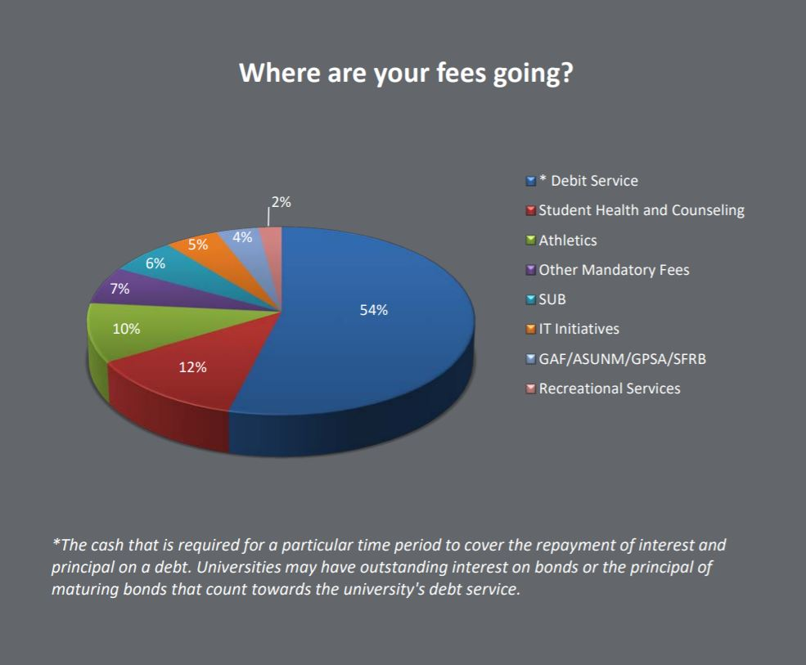
TUITION
1. Select the relevant "Residency Status" and "Hour Category" from the drop-down menu.
2. Enter the number of credit hours you are taking.

RESIDENCY STATUS | HOUR CATERGORY | NO. OF CREDIT HOURS | TUITION

FEES
* See the adjacent pie chart to find out where your fees are going.
1. Select the relevant "Residency Status" and "Hour Category" from the drop-down menu.
2. Enter the number of credit hours you are taking.

RESIDENT STATUS | HOUR CATEGORY | NO. OF CREDIT HOURS | FEES

 |  |  |  | * For more information, visit: | https://bursar.unm.edu/documents/StudentFees2018-19.pdf
TUITION DIFFERENTIAL
* This funding goes towards special college needs.
For example, McKinnon Center for Management, the new business building was partly funded by Business student's tuition differential.
1. Use the table below to determine cost.
 |  | RESIDENT | NON-RESIDENT
COLLEGE |  | per hour, block from 15 to 18 | per hour, block from 12 to 18
Anderson School of Management (majors and pre-majors) |  | $10.52 | $10.52
Arts and Sciences |  | $10.52 | $10.52
Emergency Medical Services |  | $61.32 | $61.32
School of Engineering (majors and pre-majors) |  | $15.80 | $15.80
College of Nursing |  | $189.08 | $189.08
Population Health courses |  | $100.00 | $100.00

2. Enter the calculated cost in the highlighted box.
The formula is CREDIT HOURS * RATE

UPPER DIVISION PREMIUM
*This premium is charged to maintain faculty for the upper division classes.
1. Enter the number of upper division credit hours (300 or 400 level) you are taking.

UPPER DIVISION COURSE PREMIUM |  | NO. OF CREDIT HOURS | PREMIUM
$35.78 per hour |  |  | $-

COURSE FEES
*These are the specific fees for courses you are taking. Some courses, like labs, have more fees than others.
To find the charge for course fees, follow these steps:
1. Login to my.unm.edu
2. Select "Enter LoboWeb"
3. Select "Registrations and Records"
4. Select "Account Summary by Term" under "Account Info"
5. Add the amount for charges with detail code "F###"
6. Enter the amount in the highlighted box below

COURSE FEES |  |  | $-

BOOKS AND COURSE MATERIAL
On average, college students spend $600 per semester on books and course material.
To get an accurate amount, follow these steps:
1. Go to | https://bookstore.unm.edu/courselistbuilder.aspx
2. Select the relevant semester
3. Select the Department, Course and Section for each class.
4. Select "Choose books"
5. Select "I will choose which books may be substituted"
6. Enter the amount in the highlighted box below

BOOKS AND COURSE MATERIAL |  |  | $-

